Sheet1
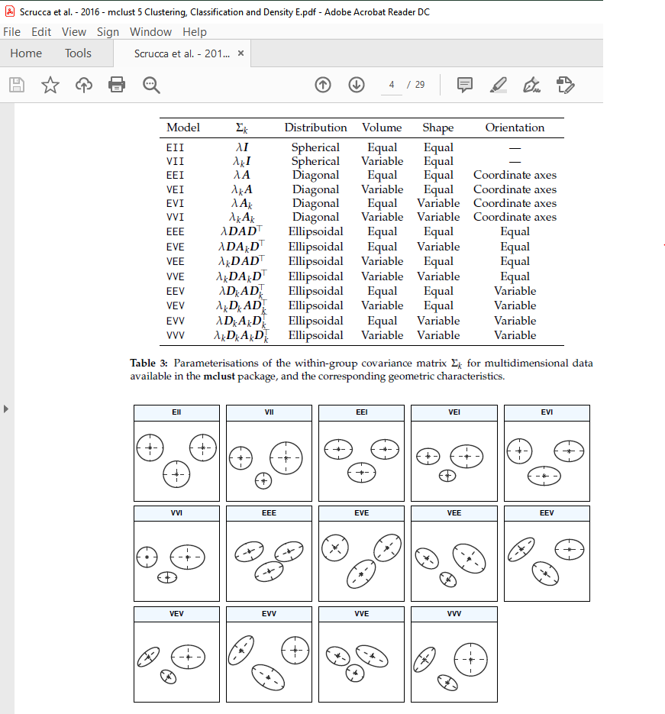
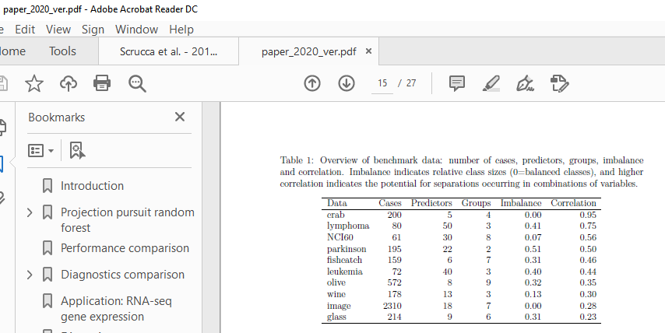
Model | Sk | Distribution | Volume | Shape | Orientation
EII | lI | Spherical | Equal | Equal | —
VII | lkI | Spherical | Variable | Equal | —
EEI | lA | Diagonal | Equal | Equal | Coordinate axes
VEI | lkA | Diagonal | Variable | Equal | Coordinate axes
EVI | lAk | Diagonal | Equal | Variable | Coordinate axes
VVI | lkAk | Diagonal | Variable | Variable | Coordinate axes
EEE | lDAD> | Ellipsoidal | Equal | Equal | Equal
EVE | lDAkD> | Ellipsoidal | Equal | Variable | Equal
VEE | lkDAD> | Ellipsoidal | Variable | Equal | Equal
VVE | lkDAkD> | Ellipsoidal | Variable | Variable | Equal
EEV | lDkAD>k | Ellipsoidal | Equal | Equal | Variable
VEV | lkDkAD>k | Ellipsoidal | Variable | Equal | Variable
EVV | lDkAkD>k | Ellipsoidal | Equal | Variable | Variable
VVV | lkDkAkD>k | Ellipsoidal | Variable | Variable | Variable

